Sheet1
Quarter vs Sales
Seasonal Index
Year | Quarter | Sales | t
2003 | 1 | 72 | 1
 | 2 | 64 | 2
 | 3 | 63 | 3
 | 4 | 75 | 4
2004 | 1 | 75 | 5
 | 2 | 66 | 6
 | 3 | 64 | 7
 | 4 | 89 | 8
2005 | 1 | 76 | 9
 | 2 | 68 | 10
 | 3 | 67 | 11
 | 4 | 96 | 12

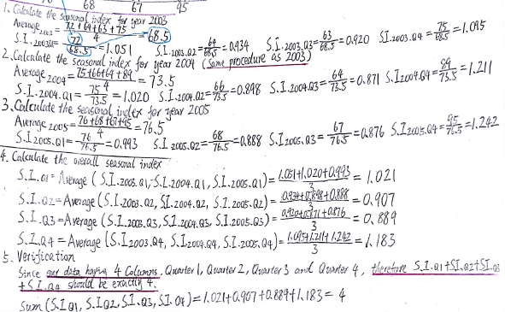
Rebuilding the original table
 |  |  | Year
 |  |  | 2003 | 2004 | 2005
 | Quarter | 1 | 72 | 75 | 76
 |  | 2 | 64 | 66 | 68
 |  | 3 | 63 | 64 | 67
 |  | 4 | 75 | 89 | 96
 |  | Total | 274 | 294 | 307
 |  | Average | 68.5 | 73.5 | 76.75

Calclate the Overall S.I.
 |  |  | Year
 |  |  | 2003 | 2004 | 2005 | Overall S.I.
 | Quarter | 1 | 1.0510948905 | 1.0204081633 | 0.99022801303 | 1.0205770223
 |  | 2 | 0.93430656934 | 0.89795918367 | 0.88599348534 | 0.90608641279
 |  | 3 | 0.9197080292 | 0.87074829932 | 0.87296416938 | 0.88780683263
 |  | 4 | 1.0948905109 | 1.2108843537 | 1.2508143322 | 1.1855297323
 |  | Total | 4 | 4 | 4 | 4
 |  | Average
Reference: Forecasting Methods made simple - Seasonal Indices https://www.youtube.com/watch?v=nXweMiI7Q8Q
Rebuilding the S.I. table
Quarter vs S.I.
Year | Quarter | S.I. | t
2003 | 1 | 1.0510948905 | 1
 | 2 | 0.93430656934 | 2
 | 3 | 0.9197080292 | 3
 | 4 | 1.0948905109 | 4
2004 | 1 | 1.0204081633 | 5
 | 2 | 0.89795918367 | 6
 | 3 | 0.87074829932 | 7
 | 4 | 1.2108843537 | 8
2005 | 1 | 0.99022801303 | 9
 | 2 | 0.88599348534 | 10
 | 3 | 0.87296416938 | 11
 | 4 | 1.2508143322 | 12

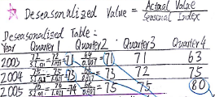
Calculate the Deseasonalized Sales
 |  |  | Year
 |  |  | 2003 | 2004 | 2005
 | Quarter | 1 | 70.548325534 | 73.487839098 | 74.467676953
 |  | 2 | 70.633439699 | 72.84073469 | 75.048029681
 |  | 3 | 70.961382234 | 72.08775338 | 75.46686682
 |  | 4 | 63.262858751 | 75.071925717 | 80.976459201
 |  | Total
 |  | Average

Quarter vs deseasonalized Sales
Rebuilding the Deseasonalized Sales table and ploting the trendling
Year | Quarter | Deseasonalized Sales | t
2003 | 1 | 70.548325534 | 1
 | 2 | 70.633439699 | 2
 | 3 | 70.961382234 | 3
 | 4 | 63.262858751 | 4
2004 | 1 | 73.487839098 | 5
 | 2 | 72.84073469 | 6
 | 3 | 72.08775338 | 7
 | 4 | 75.071925717 | 8
2005 | 1 | 74.467676953 | 9
 | 2 | 75.048029681 | 10
 | 3 | 75.46686682 | 11
 | 4 | 80.976459201 | 12

Reference: How to Add a Trendline in Excel https://www.youtube.com/watch?v=svFSKnmAlKQ

